UT Document Proofs
 |  |  |  |  |  |  |  |  | mct_RsFactBookOfBusiness

Scenario ID:1 |  |  |  |  |  |  |  |  |  | Database Screenshot
MCT First Run Status In IDMC

IDMC Screenshot
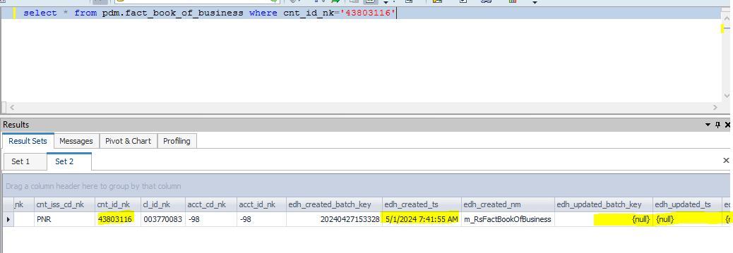
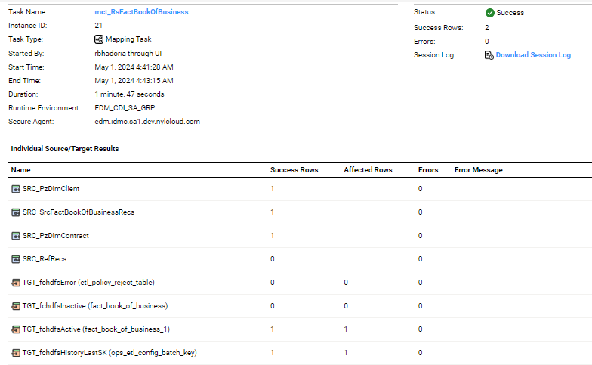

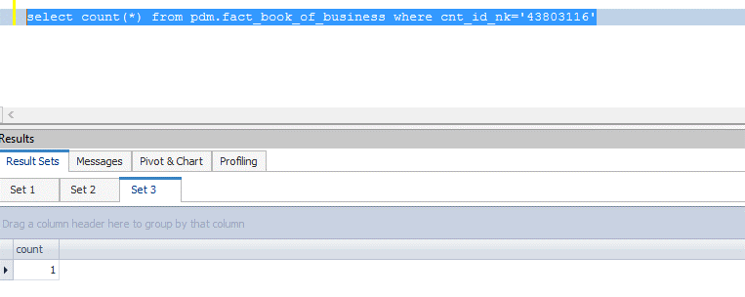

Data flow after first run

fact_book_of_business_sk | dim_contract_sk | dim_client_sk | dim_producer_sk | producer_id_nk | cnt_iss_cd_nk | cnt_id_nk | cl_id_nk | acct_cd_nk | acct_id_nk | edh_created_batch_key | edh_created_ts | edh_created_nm | edh_updated_batch_key | edh_updated_ts | edh_updated_nm
62436955 | 4115596 | 71397979 | 1220879 | 0436370 | PNR | 43803116 | 003770083 | -98 | -98 | 20240427153328 | 5/1/2024 7:41:55 AM | m_RsFactBookOfBusiness

 |  |  |  |  |  |  |  |  |  |  | DB Screenshot
Scenario ID:2
NO Change Records

After Second Run count

IDMC Screenshot

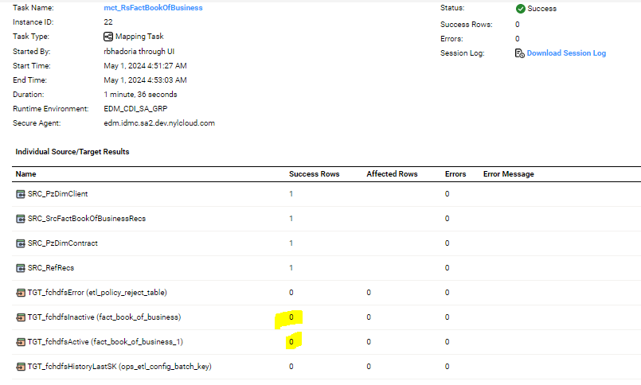
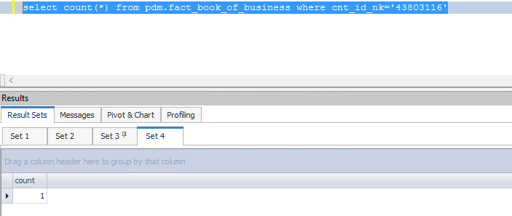

For Second run data flow

fact_book_of_business_sk | dim_contract_sk | dim_client_sk | dim_producer_sk | producer_id_nk | cnt_iss_cd_nk | cnt_id_nk | cl_id_nk | acct_cd_nk | acct_id_nk | edh_created_batch_key | edh_created_ts | edh_created_nm | edh_updated_batch_key | edh_updated_ts | edh_updated_nm
62436955 | 4115596 | 71397979 | 1220879 | 0436370 | PNR | 43803116 | 003770083 | -98 | -98 | 20240427153328 | 5/1/2024 7:41:55 AM | m_RsFactBookOfBusiness

After 2nd run Duplicate Check

Scenario ID:3
Update Scenario

Before executing the job

Data Flow before executing the update scenario

fact_book_of_business_sk | dim_contract_sk | dim_client_sk | dim_producer_sk | producer_id_nk | cnt_iss_cd_nk | cnt_id_nk | cl_id_nk | acct_cd_nk | acct_id_nk | edh_created_batch_key | edh_created_ts | edh_created_nm | edh_updated_batch_key | edh_updated_ts | edh_updated_nm
62436955 | 4115596 | 12345678 | 1220879 | 0436370 | PNR | 43803116 | 003770083 | -98 | -98 | 20240427153328 | 5/1/2024 7:41:55 AM | m_RsFactBookOfBusiness

After executing the job

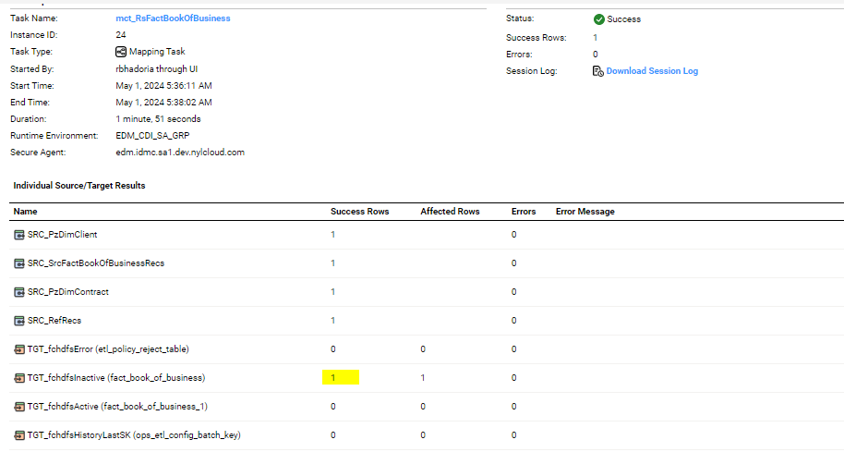

After Update the data flow in target

fact_book_of_business_sk | dim_contract_sk | dim_client_sk | dim_producer_sk | producer_id_nk | cnt_iss_cd_nk | cnt_id_nk | cl_id_nk | acct_cd_nk | acct_id_nk | edh_created_batch_key | edh_created_ts | edh_created_nm | edh_updated_batch_key | edh_updated_ts | edh_updated_nm
62436955 | 4115596 | 71397979 | 1220879 | 0436370 | PNR | 43803116 | 003770083 | -98 | -98 | 20240427153328 | 5/1/2024 7:41:55 AM | m_RsFactBookOfBusiness | 20240427153328 | 5/1/2024 8:36:38 AM | m_RsFactBookOfBusiness

Scenario ID:5
Full Load
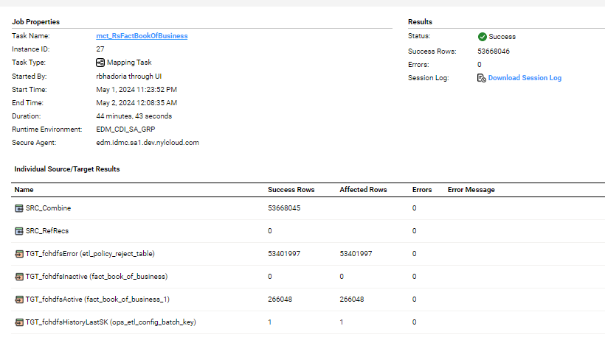
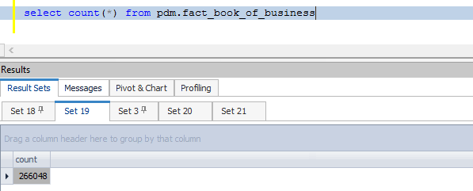

Data Flow after Full Load

fact_book_of_business_sk | dim_contract_sk | dim_client_sk | dim_producer_sk | producer_id_nk | cnt_iss_cd_nk | cnt_id_nk | cl_id_nk | acct_cd_nk | acct_id_nk | edh_created_batch_key | edh_created_ts | edh_created_nm | edh_updated_batch_key | edh_updated_ts | edh_updated_nm
62436955 | -99 | 20323633 | -99 | -98 | PNR | 0000002 | 997401218 | -98 | -98 | 20240427153328 | 5/2/2024 2:24:17 AM | m_RsFactBookOfBusiness
62436956 | -99 | 22090096 | -99 | -98 | PNR | 0001011 | 999830675 | -98 | -98 | 20240427153328 | 5/2/2024 2:24:17 AM | m_RsFactBookOfBusiness
62436957 | -99 | 20502571 | -99 | -98 | PNR | 0002047 | 997647670 | -98 | -98 | 20240427153328 | 5/2/2024 2:24:17 AM | m_RsFactBookOfBusiness
62436958 | -99 | 3507502 | -99 | -98 | PNR | 0003469 | 004220738 | -98 | -98 | 20240427153328 | 5/2/2024 2:24:17 AM | m_RsFactBookOfBusiness
62436959 | -99 | 3505643 | -99 | -98 | PNR | 0004047 | 004220746 | -98 | -98 | 20240427153328 | 5/2/2024 2:24:17 AM | m_RsFactBookOfBusiness

